Offerta
PHOTOS | ARTICLE CODES | N.BO. | GENDER | PRODUCT | COMM. CODES | MADE IN | UNIT WHS | TOT WHS | UNIT RRP | TOT RRP | TOT UNITS | 010 | 015 | 020 | 025 | 030 | 035 | 040 | 045 | 050 | 055 | 060 | 065 | 070 | 075 | 080 | 085 | 090 | 095 | 100 | 105 | 110 | 115 | 120 | 125 | 135 | 2 | 3 | 4 | 5 | 6 | 7 | XXS | XS | S | M | L | XL | XXL | OS
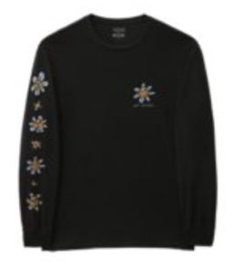 | VN00001CBLK1 | 2 | Man | T-SHIRT | 6109100010 | TR - Turkey | 23.65 € | 1,655.50 € | 52.00 € | 3,640.00 € | 70 |  |  |  |  |  |  |  |  |  |  |  |  |  |  |  |  |  |  |  |  |  |  |  |  |  |  |  |  |  |  |  |  |  | 10 | 44 | 11 | 5
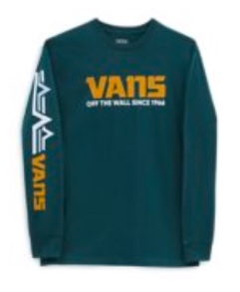 | VN00001D60Q1 | 3 | Man | T-SHIRT | 6109100010 | TR - Turkey | 21.85 € | 349.60 € | 48.00 € | 768.00 € | 16 |  |  |  |  |  |  |  |  |  |  |  |  |  |  |  |  |  |  |  |  |  |  |  |  |  |  |  |  |  |  |  |  | 4 | 2 | 10
 | VN00001EBLK1 | 4 | Man | T-SHIRT | 6109100010 | TR - Turkey | 21.85 € | 9,177.00 € | 48.00 € | 20,160.00 € | 420 |  |  |  |  |  |  |  |  |  |  |  |  |  |  |  |  |  |  |  |  |  |  |  |  |  |  |  |  |  |  |  |  | 50 | 83 | 81 | 81 | 87 | 38
 | VN00002K7WM1 | 5 | Boys | PANTS | 6103420000 | VN - Vietnam | 26.40 € | 7,656.00 € | 58.00 € | 16,820.00 € | 290 |  |  |  |  |  |  |  |  |  |  |  |  |  |  |  |  |  |  |  |  |  |  |  |  |  |  |  |  |  |  |  |  |  |  | 97 | 96 | 97
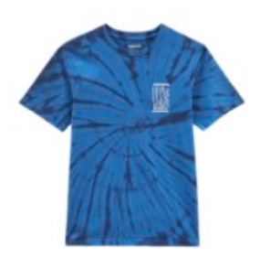 | VN00002V7WM1 | 6 | Boys | T-SHIRT | 6109100010 | VN - Vietnam | 14.55 € | 2,575.35 € | 32.00 € | 5,664.00 € | 177 |  |  |  |  |  |  |  |  |  |  |  |  |  |  |  |  |  |  |  |  |  |  |  |  |  |  |  |  |  |  |  |  |  | 14 | 58 | 69 | 36
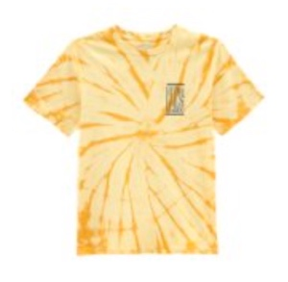 | VN00002VF3X1 | 7 | Boys | T-SHIRT | 6109100010 | VN - Vietnam | 14.55 € | 3,768.45 € | 32.00 € | 8,288.00 € | 259 |  |  |  |  |  |  |  |  |  |  |  |  |  |  |  |  |  |  |  |  |  |  |  |  |  |  |  |  |  |  |  |  |  | 40 | 84 | 79 | 56
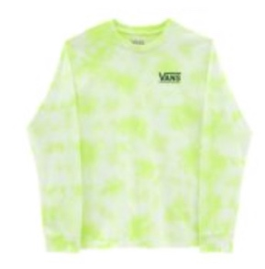 | VN0000D4O991 | 8 | Boys | T-SHIRT | 6109100010 | VN - Vietnam | 18.20 € | 2,602.60 € | 40.00 € | 5,720.00 € | 143 |  |  |  |  |  |  |  |  |  |  |  |  |  |  |  |  |  |  |  |  |  |  |  |  |  |  |  |  |  |  |  |  |  |  | 34 | 54 | 55
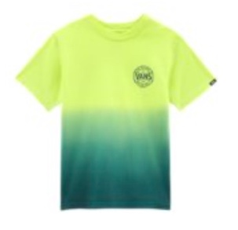 | VN0000EPY901 | 9 | Boys | T-SHIRT | 6109100010 | VN - Vietnam | 13.65 € | 778.05 € | 30.00 € | 1,710.00 € | 57 |  |  |  |  |  |  |  |  |  |  |  |  |  |  |  |  |  |  |  |  |  |  |  |  |  | 7 | 12 | 15 | 12 | 8 | 3
 | VN0002TLAMQ1 | 11 | Girls | BACKPACKS | 4202929190 | ID - Indonesia | 17.30 € | 951.50 € | 38.00 € | 2,090.00 € | 55 |  |  |  |  |  |  |  |  |  |  |  |  |  |  |  |  |  |  |  |  |  |  |  |  |  |  |  |  |  |  |  |  |  |  |  |  |  |  | 55
 | VN0007M1BD31 | 14 | Woman | FLEECE | 6110209900 | VN - Vietnam | 32.75 € | 11,593.50 € | 72.00 € | 25,488.00 € | 354 |  |  |  |  |  |  |  |  |  |  |  |  |  |  |  |  |  |  |  |  |  |  |  |  |  |  |  |  |  |  |  |  | 98 | 95 | 95 | 66
 | VN0007M1YQW1 | 15 | Woman | FLEECE | 6110209900 | VN - Vietnam | 32.75 € | 13,755.00 € | 72.00 € | 30,240.00 € | 420 |  |  |  |  |  |  |  |  |  |  |  |  |  |  |  |  |  |  |  |  |  |  |  |  |  |  |  |  |  |  |  |  | 98 | 95 | 95 | 96 | 36
 | VN0A36SVYUU1 | 16 | Man | FLEECE | 6110209100 | VN - Vietnam | 38.65 € | 4,638.00 € | 85.00 € | 10,200.00 € | 120 |  |  |  |  |  |  |  |  |  |  |  |  |  |  |  |  |  |  |  |  |  |  |  |  |  |  |  |  |  |  |  |  | 25 | 26 | 17 | 16 | 31 | 5
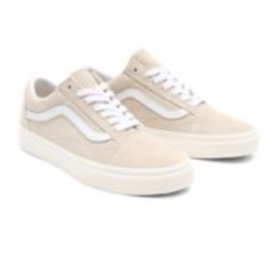 | VN0A38G19G91 | 17 | Unisex | FOOTWEAR | 6403999390 | VN - Vietnam | 43.20 € | 2,030.40 € | 95.00 € | 4,465.00 € | 47 |  |  |  |  |  |  |  | 8 | 15 |  | 10 | 5 |  | 1 | 8
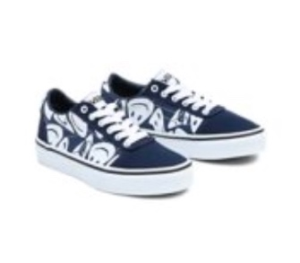 | VN0A38J9LKZ1 | 18 | Kids | FOOTWEAR | 6404199000 | VN - Vietnam | 23.80 € | 1,642.20 € | 50.00 € | 3,450.00 € | 69 |  | 1 |  | 3 | 8 |  | 8 | 12 |  | 20 | 10 |  | 7
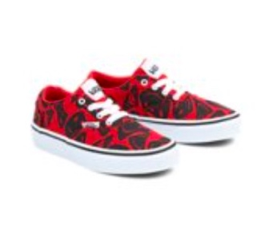 | VN0A3MWAIZQ1 | 20 | Kids | FOOTWEAR | 6404199000 | VN - Vietnam | 19.00 € | 741.00 € | 40.00 € | 1,560.00 € | 39 |  |  |  |  |  |  | 3 | 3 |  | 7 | 9 | 6 | 11
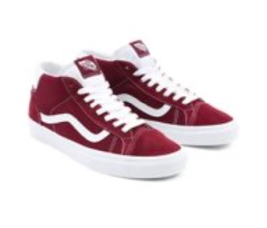 | VN0A3TKF5U71 | 21 | Unisex | FOOTWEAR | 6404199000 | PH - Philippines | 38.60 € | 4,361.80 € | 85.00 € | 9,605.00 € | 113 |  |  |  |  |  |  |  |  |  |  | 15 |  |  |  |  | 13 | 38 | 6 | 23 | 2 |  | 16
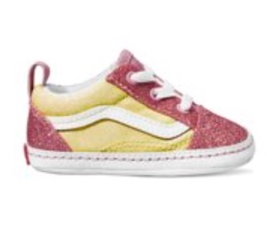 | VN0A3U8K0FU1 | 22 | Infant | FOOTWEAR | 6402999100 | VN - Vietnam | 15.90 € | 4,388.40 € | 35.00 € | 9,660.00 € | 276 | 69 |  | 69 |  | 69 |  | 69
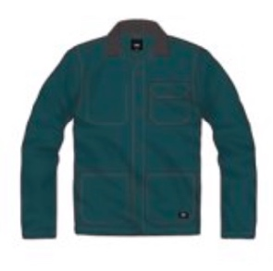 | VN0A3WF160Q1 | 24 | Man | OUTERWEAR | 6201301099 | IN - India | 36.40 € | 12,230.40 € | 80.00 € | 26,880.00 € | 336 |  |  |  |  |  |  |  |  |  |  |  |  |  |  |  |  |  |  |  |  |  |  |  |  |  |  |  |  |  |  |  |  | 25 | 98 | 96 | 81 | 29 | 7
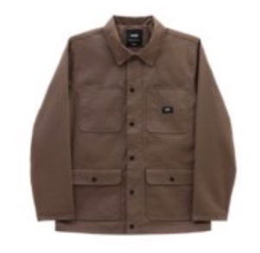 | VN0A456Z1LE1 | 25 | Man | OUTERWEAR | 6201309099 | VN - Vietnam | 50.00 € | 3,650.00 € | 110.00 € | 8,030.00 € | 73 |  |  |  |  |  |  |  |  |  |  |  |  |  |  |  |  |  |  |  |  |  |  |  |  |  |  |  |  |  |  |  |  | 12 | 15 | 22 | 2 | 4 | 18
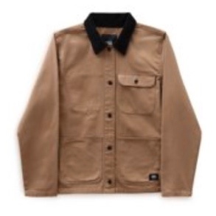 | VN0A47Y3DZ91 | 27 | Woman | OUTERWEAR | 6202401091 | IN - India | 36.40 € | 12,958.40 € | 80.00 € | 28,480.00 € | 356 |  |  |  |  |  |  |  |  |  |  |  |  |  |  |  |  |  |  |  |  |  |  |  |  |  |  |  |  |  |  |  | 7 | 95 | 96 | 96 | 60 | 2
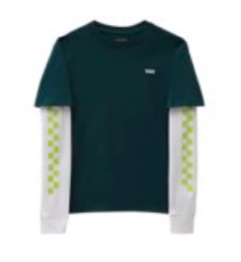 | VN0A49OYY8E1 | 29 | Boys | T-SHIRT | 6109100010 | TR - Turkey | 18.20 € | 4,932.20 € | 40.00 € | 10,840.00 € | 271 |  |  |  |  |  |  |  |  |  |  |  |  |  |  |  |  |  |  |  |  |  |  |  |  |  |  |  |  |  |  |  |  |  | 51 | 82 | 82 | 56
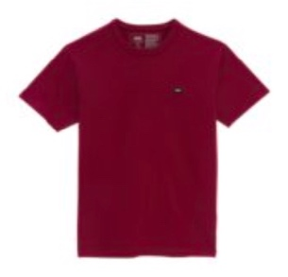 | VN0A49R7Y7Y1 | 30 | Man | T-SHIRT | 6109100010 | MX - Mexico | 17.30 € | 1,366.70 € | 38.00 € | 3,002.00 € | 79 |  |  |  |  |  |  |  |  |  |  |  |  |  |  |  |  |  |  |  |  |  |  |  |  |  |  |  |  |  |  |  |  |  | 22 | 19 | 19 | 16 | 3
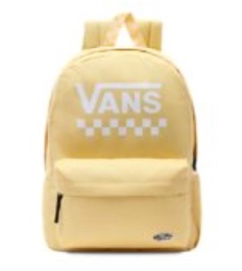 | VN0A49ZJY7O1 | 31 | Woman | BACKPACKS | 4202929190 | ID - Indonesia | 21.85 € | 21.85 € | 48.00 € | 48.00 € | 1 |  |  |  |  |  |  |  |  |  |  |  |  |  |  |  |  |  |  |  |  |  |  |  |  |  |  |  |  |  |  |  |  |  |  |  |  |  |  | 1
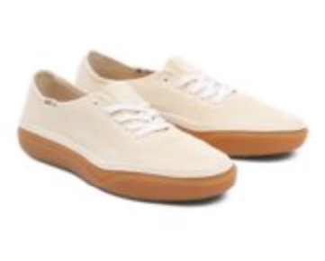 | VN0A4BWLAZN1 | 32 | Unisex | FOOTWEAR | 6404199000 | VN - Vietnam | 50.00 € | 3,150.00 € | 110.00 € | 6,930.00 € | 63 |  |  |  |  |  |  |  |  |  |  |  |  |  | 2 |  | 13 | 21 |  | 27
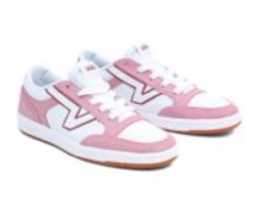 | VN0A4TZYBD51 | 35 | Unisex | FOOTWEAR | 6403999190 | KH - Cambodia | 43.20 € | 1,252.80 € | 95.00 € | 2,755.00 € | 29 |  |  |  |  |  |  | 4 | 5 |  | 3 | 6 |  | 5 |  |  | 2 | 1 | 3
 | VN0A4ULTFU41 | 37 | Girls | BACKPACKS | 4202929190 | ID - Indonesia | 17.30 € | 397.90 € | 38.00 € | 874.00 € | 23 |  |  |  |  |  |  |  |  |  |  |  |  |  |  |  |  |  |  |  |  |  |  |  |  |  |  |  |  |  |  |  |  |  |  |  |  |  |  | 23
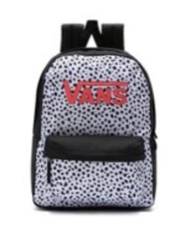 | VN0A4ULTY281 | 38 | Girls | BACKPACKS | 4202929190 | ID - Indonesia | 17.30 € | 276.80 € | 38.00 € | 608.00 € | 16 |  |  |  |  |  |  |  |  |  |  |  |  |  |  |  |  |  |  |  |  |  |  |  |  |  |  |  |  |  |  |  |  |  |  |  |  |  |  | 16
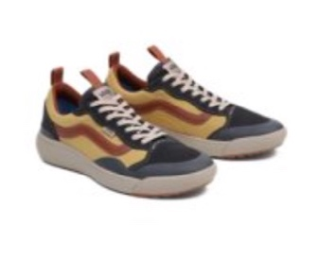 | VN0A4UWMQNA1 | 39 | Unisex | FOOTWEAR | 6403999190 | VN - Vietnam | 52.30 € | 4,550.10 € | 115.00 € | 10,005.00 € | 87 |  |  |  |  |  |  |  |  | 2 |  |  |  | 6 | 6 | 8 | 18 | 16 | 2 | 10 | 11 | 4 | 4
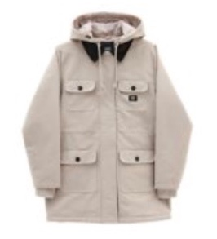 | VN0A53LRBD31 | 40 | Woman | OUTERWEAR | 6202409091 | VN - Vietnam | 95.50 € | 21,869.50 € | 210.00 € | 48,090.00 € | 229 |  |  |  |  |  |  |  |  |  |  |  |  |  |  |  |  |  |  |  |  |  |  |  |  |  |  |  |  |  |  |  |  | 36 | 90 | 82 | 21
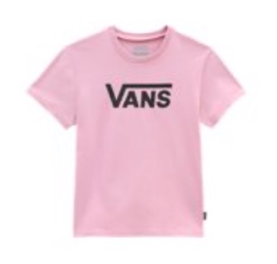 | VN0A53P2BD51 | 42 | Girls | T-SHIRT | 6109100010 | TR - Turkey | 10.95 € | 240.90 € | 24.00 € | 528.00 € | 22 |  |  |  |  |  |  |  |  |  |  |  |  |  |  |  |  |  |  |  |  |  |  |  |  |  |  |  |  |  |  |  |  |  | 18 | 4
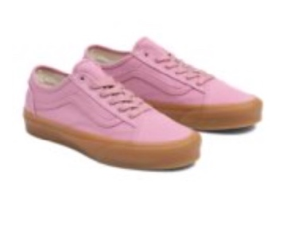 | VN0A54F4BD51 | 43 | Unisex | FOOTWEAR | 6404199000 | VN - Vietnam | 40.90 € | 3,721.90 € | 90.00 € | 8,190.00 € | 91 |  |  |  |  |  |  | 8 | 4 | 2 | 19 | 18 | 7 | 13 | 13 | 2 | 5
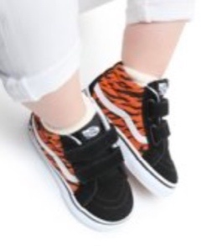 | VN0A5DXD6BT1 | 46 | Kids | FOOTWEAR | 6403911190 | KH - Cambodia | 20.50 € | 3,772.00 € | 45.00 € | 8,280.00 € | 184 |  |  |  |  |  |  | 1 |  | 8 | 1 | 14 | 5 | 26 | 44 | 5 | 44 | 5 | 26 | 5
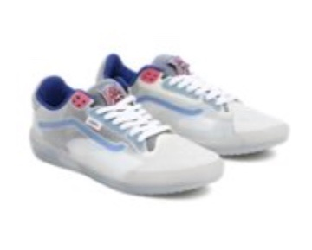 | VN0A5DY59821 | 48 | Unisex | FOOTWEAR | 6404199000 | VN - Vietnam | 56.80 € | 8,576.80 € | 125.00 € | 18,875.00 € | 151 |  |  |  |  |  |  | 4 | 6 | 5 | 9 | 7 | 9 | 12 | 14 | 10 | 13 | 16 | 9 | 21 | 16
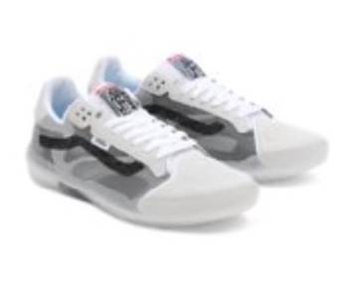 | VN0A5DY7B2M1 | 49 | Unisex | FOOTWEAR | 6404199000 | VN - Vietnam | 54.50 € | 2,561.50 € | 120.00 € | 5,640.00 € | 47 |  |  |  |  |  | 2 | 4 | 12 | 3 | 8 | 1 | 5 | 5 | 3 | 4
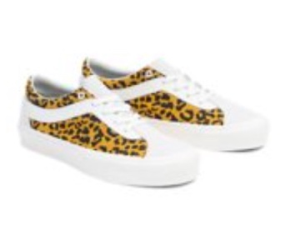 | VN0A5DYAU201 | 50 | Unisex | FOOTWEAR | 6404199000 | VN - Vietnam | 36.40 € | 1,965.60 € | 80.00 € | 4,320.00 € | 54 |  |  |  |  |  |  |  |  | 1 | 1 | 1 | 6 | 5 | 5 | 5 | 6 | 4 | 6 | 5 | 2 | 4 | 3
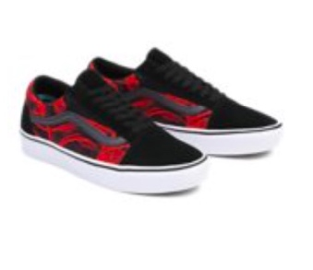 | VN0A5DYCY091 | 51 | Unisex | FOOTWEAR | 6404199000 | VN - Vietnam | 43.20 € | 27,907.20 € | 95.00 € | 61,370.00 € | 646 |  |  |  |  |  |  | 2 |  |  | 57 | 19 | 8 | 34 | 47 | 38 | 72 | 80 | 95 | 80 | 53 | 31 | 6 | 24
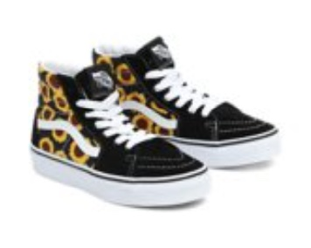 | VN0A5ELXY231 | 52 | Kids | FOOTWEAR | 6403911190 | VN - Vietnam | 27.30 € | 3,330.60 € | 60.00 € | 7,320.00 € | 122 |  | 12 |  | 13 | 14 |  |  |  |  |  |  |  |  |  |  |  |  |  |  | 10 |  | 17 | 19 | 10 | 27
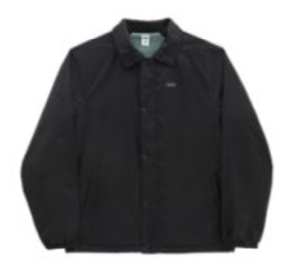 | VN0A5FPTQ461 | 54 | Man | OUTERWEAR | 6201401090 | VN - Vietnam | 59.10 € | 15,838.80 € | 130.00 € | 34,840.00 € | 268 |  |  |  |  |  |  |  |  |  |  |  |  |  |  |  |  |  |  |  |  |  |  |  |  |  |  |  |  |  |  |  |  | 14 | 66 | 77 | 76 | 35
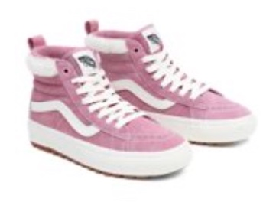 | VN0A5HZYBD51 | 55 | Unisex | FOOTWEAR | 6403911190 | CN - China | 54.50 € | 10,573.00 € | 120.00 € | 23,280.00 € | 194 |  |  |  |  |  |  | 3 | 6 | 4 | 14 | 20 | 17 | 38 | 34 | 16 | 16 | 9 | 9 | 8
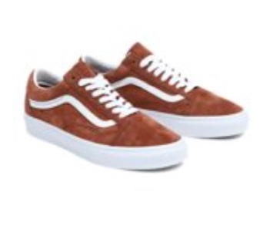 | VN0A5JMI1RE1 | 56 | Unisex | FOOTWEAR | 6403999390 | VN - Vietnam | 43.20 € | 5,270.40 € | 95.00 € | 11,590.00 € | 122 |  |  |  |  |  |  |  | 10 |  |  |  | 37 |  |  | 19 |  | 16 |  | 38 |  | 2
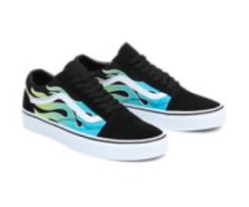 | VN0A5JMIBA21 | 57 | Unisex | FOOTWEAR | 6404199000 | CN - China | 38.60 € | 4,825.00 € | 85.00 € | 10,625.00 € | 125 |  |  |  |  |  |  |  | 8 |  | 6 | 16 | 15 | 7 | 11 | 7 | 10 | 14 | 13 | 12 | 6
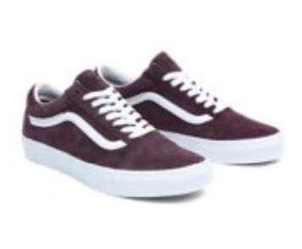 | VN0A5JMIBEF1 | 58 | Unisex | FOOTWEAR | 6403999390 | VN - Vietnam | 43.20 € | 820.80 € | 95.00 € | 1,805.00 € | 19 |  |  |  |  |  |  |  |  |  |  |  | 5 |  |  | 3 | 4 | 4 |  |  |  |  |  | 3
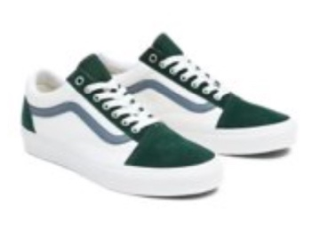 | VN0A5JMIBLG1 | 59 | Unisex | FOOTWEAR | 6404199000 | CN - China | 36.40 € | 5,824.00 € | 80.00 € | 12,800.00 € | 160 |  |  |  |  |  |  |  |  | 2 | 15 | 30 | 12 | 19 | 20 | 23 | 10 | 17 | 5 | 6 | 1
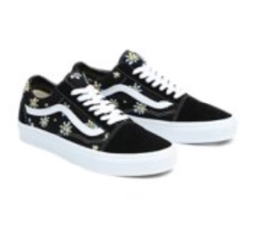 | VN0A5JMIY231 | 60 | Unisex | FOOTWEAR | 6404199000 | KH - Cambodia | 38.60 € | 11,657.20 € | 85.00 € | 25,670.00 € | 302 |  |  |  |  |  |  |  | 7 | 12 | 22 | 38 | 27 | 38 | 28 | 29 | 38 | 32 |  | 31
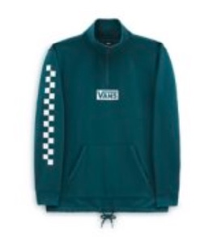 | VN0A5KDS60Q1 | 62 | Man | FLEECE | 6110209100 | KH - Cambodia | 34.10 € | 8,559.10 € | 75.00 € | 18,825.00 € | 251 |  |  |  |  |  |  |  |  |  |  |  |  |  |  |  |  |  |  |  |  |  |  |  |  |  |  |  |  |  |  |  |  |  | 79 | 77 | 76 | 19
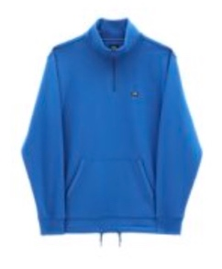 | VN0A5KDS7WM1 | 63 | Man | FLEECE | 6110209100 | KH - Cambodia | 34.10 € | 10,946.10 € | 75.00 € | 24,075.00 € | 321 |  |  |  |  |  |  |  |  |  |  |  |  |  |  |  |  |  |  |  |  |  |  |  |  |  |  |  |  |  |  |  |  | 20 | 86 | 78 | 78 | 59
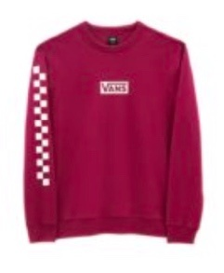 | VN0A5KDTY7Y1 | 64 | Man | FLEECE | 6110209100 | KH - Cambodia | 34.10 € | 8,218.10 € | 75.00 € | 18,075.00 € | 241 |  |  |  |  |  |  |  |  |  |  |  |  |  |  |  |  |  |  |  |  |  |  |  |  |  |  |  |  |  |  |  |  |  | 65 | 64 | 63 | 49
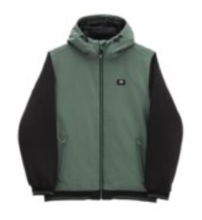 | VN0A5KQEQ7M1 | 65 | Man | OUTERWEAR | 6201401090 | KH - Cambodia | 72.75 € | 3,855.75 € | 160.00 € | 8,480.00 € | 53 |  |  |  |  |  |  |  |  |  |  |  |  |  |  |  |  |  |  |  |  |  |  |  |  |  |  |  |  |  |  |  |  | 9 | 14 | 18 | 6 | 4 | 2
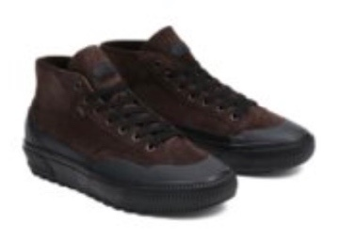 | VN0A5KQU4AR1 | 66 | Unisex | FOOTWEAR | 6403911190 | CN - China | 52.30 € | 4,184.00 € | 115.00 € | 9,200.00 € | 80 |  |  |  |  |  |  |  |  |  | 8 | 11 | 10 | 14 | 10 | 1 | 3 | 6 |  | 8 | 6 | 3
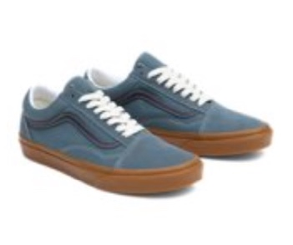 | VN0A5KRSRV21 | 67 | Unisex | FOOTWEAR | 6404199000 | KH - Cambodia | 36.40 € | 2,038.40 € | 80.00 € | 4,480.00 € | 56 |  |  |  |  |  |  |  |  |  | 6 | 13 | 6 | 14 | 8 | 3 | 6
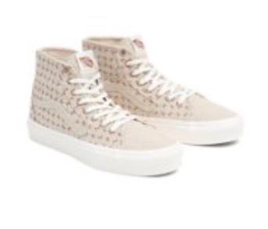 | VN0A5KRUBRO1 | 69 | Unisex | FOOTWEAR | 6404199000 | VN - Vietnam | 47.70 € | 17,028.90 € | 105.00 € | 37,485.00 € | 357 |  |  |  |  |  |  |  | 89 | 2 | 79 | 79 |  | 66 | 42
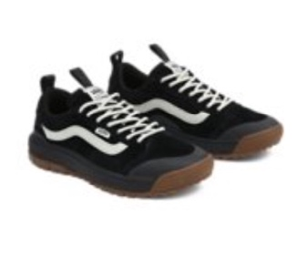 | VN0A5KS4DUM1 | 70 | Unisex | FOOTWEAR | 6403999190 | VN - Vietnam | 61.40 € | 9,455.60 € | 135.00 € | 20,790.00 € | 154 |  |  |  |  |  |  |  |  |  |  | 7 |  | 13 | 15 | 13 | 23 | 28 | 8 | 26 | 19 | 2
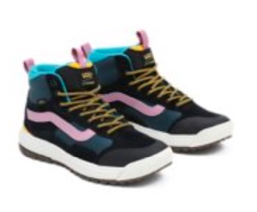 | VN0A5KS5BML1 | 71 | Unisex | FOOTWEAR | 6403911190 | KH - Cambodia | 65.90 € | 13,707.20 € | 145.00 € | 30,160.00 € | 208 |  |  |  |  |  |  |  | 1 |  | 3 | 9 | 8 | 14 | 10 | 11 | 16 | 25 | 18 | 31 | 20 | 16 | 15 | 11
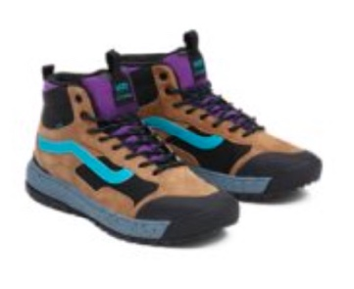 | VN0A5KS5FSU1 | 72 | Unisex | FOOTWEAR | 6403911390 | KH - Cambodia | 65.90 € | 5,272.00 € | 145.00 € | 11,600.00 € | 80 |  |  |  |  |  |  |  |  |  |  | 3 | 4 | 1 | 7 | 5 | 6 | 14 |  | 12 | 11 | 1 | 10 | 6
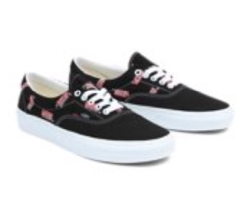 | VN0A5KX5BZW1 | 73 | Unisex | FOOTWEAR | 6404199000 | KH - Cambodia | 34.10 € | 3,239.50 € | 75.00 € | 7,125.00 € | 95 |  |  |  |  |  |  |  |  |  |  |  |  | 3 | 6 |  | 9 | 13 | 15 | 23 | 15 | 4 | 5 | 2
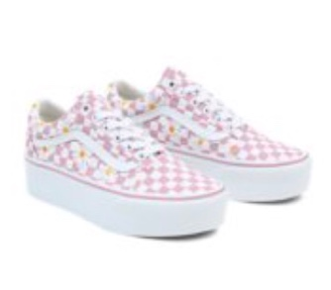 | VN0A7Q5MBD51 | 75 | Unisex | FOOTWEAR | 6404199000 | VN - Vietnam | 43.20 € | 2,203.20 € | 95.00 € | 4,845.00 € | 51 |  |  |  |  |  |  | 2 | 2 | 5 | 3 | 14 | 2 | 14 | 5 | 4
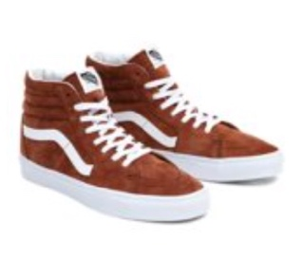 | VN0A7Q5N1RE1 | 76 | Unisex | FOOTWEAR | 6403911390 | VN - Vietnam | 47.70 € | 10,064.70 € | 105.00 € | 22,155.00 € | 211 |  |  |  |  |  |  |  | 12 | 10 | 19 | 16 | 16 | 18 | 29 | 11 | 14 | 28 |  | 26 | 12
 | VN0A7Q5NBD21 | 77 | Unisex | FOOTWEAR | 6403911190 | VN - Vietnam | 47.70 € | 1,240.20 € | 105.00 € | 2,730.00 € | 26 |  |  |  |  |  |  |  | 8 | 6 | 7 | 5
 | VN0A7Q5NBZW1 | 78 | Unisex | FOOTWEAR | 6404199000 | CN - China | 43.20 € | 3,240.00 € | 95.00 € | 7,125.00 € | 75 |  |  |  |  |  |  |  |  |  | 3 | 14 |  | 9 | 7 | 8 | 7 | 6 | 7 | 7 | 6 | 1
 | VN0A7Q5NUUW1 | 79 | Unisex | FOOTWEAR | 6404199000 | PH - Philippines | 47.70 € | 15,979.50 € | 105.00 € | 35,175.00 € | 335 |  |  |  |  |  | 6 | 2 | 3 | 5 | 21 | 24 | 21 | 26 | 29 | 10 | 11 | 23 | 25 | 47 | 29 | 18 | 23 | 12
 | VN0A7Q5PTWP1 | 80 | Unisex | FOOTWEAR | 6403911190 | VN - Vietnam | 50.00 € | 29,700.00 € | 110.00 € | 65,340.00 € | 594 |  |  |  |  |  |  |  |  |  |  |  | 44 | 93 | 93 | 58 | 93 | 75 | 68 | 68 |  | 2
 | VN0A7RMHXZP1 | 81 | Woman | FLEECE | 6110209900 | TR - Turkey | 32.75 € | 1,277.25 € | 72.00 € | 2,808.00 € | 39 |  |  |  |  |  |  |  |  |  |  |  |  |  |  |  |  |  |  |  |  |  |  |  |  |  |  |  |  |  |  |  |  | 2 | 19 | 13 | 5
 | VN0A7RMNBLK1 | 82 | Woman | OUTERWEAR | 6202401091 | VN - Vietnam | 50.00 € | 17,500.00 € | 110.00 € | 38,500.00 € | 350 |  |  |  |  |  |  |  |  |  |  |  |  |  |  |  |  |  |  |  |  |  |  |  |  |  |  |  |  |  |  |  |  | 97 | 96 | 96 | 61
 | VN0A7RMOBLK1 | 83 | Woman | OUTERWEAR | 6202401091 | VN - Vietnam | 50.00 € | 16,600.00 € | 110.00 € | 36,520.00 € | 332 |  |  |  |  |  |  |  |  |  |  |  |  |  |  |  |  |  |  |  |  |  |  |  |  |  |  |  |  |  |  |  |  | 95 | 97 | 97 | 40 | 3
 | VN0A7ROCBLK1 | 85 | Woman | OUTERWEAR | 6202401091 | KH - Cambodia | 65.95 € | 6,858.80 € | 145.00 € | 15,080.00 € | 104 |  |  |  |  |  |  |  |  |  |  |  |  |  |  |  |  |  |  |  |  |  |  |  |  |  |  |  |  |  |  |  |  | 9 | 58 | 37
 | VN0A7YKFBLK1 | 87 | Woman | FLEECE | 6110209900 | TR - Turkey | 36.40 € | 1,346.80 € | 80.00 € | 2,960.00 € | 37 |  |  |  |  |  |  |  |  |  |  |  |  |  |  |  |  |  |  |  |  |  |  |  |  |  |  |  |  |  |  |  |  |  | 32 | 5

